Inventory Ending Stock
Item No | Description | Class | Location | Crnt In Stck
G01BK-M10 | LED Shoes/Black/M10 |  |  | G02
G01BK-M8 | LED Shoes/Black/W10/M8 |  |  | 452
G01BK-M8.5 | LED Shoes/Black/M8.5 |  |  | 419
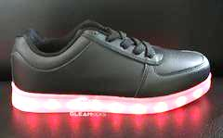
G01BK-M9.5 | LED Shoes/Black/M9.5 |  |  | 387
G01BK-W5 | LED Shoes/Black/W5 |  |  | 165
G01BK-W5.5 | LED Shoes/Black/W5.5 |  |  | 297
G01BK-W6.5 | LED Shoes/Black/W6.5 |  |  | 306
G01BK-W7/M6 | LED Shoes/Black/W7/M6 |  |  | 197
G01BK-W8/M6.5 | LED Shoes/Black/W8/M6.5 |  |  | 460
G01BK-W9/M7 | LED Shoes/Black/W9/M7 |  |  | 175
 |  |  |  |  | 2858
G01WT-M10 | LED Shoes/White/M10 |  |  | 27
G01WT-M8 | LED Shoes/White/W10/M8 |  |  | 384
G01WT-M8.5 | LED Shoes/White/M8.5 |  |  | 436
G01WT-M9.5 | LED Shoes/White/M9.5 |  |  | 403
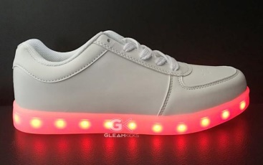
G01WT-W5 | LED Shoes/White/W5 |  |  | 135
G01WT-W5.5 | LED Shoes/White/W5.5 |  |  | 276
G01WT-W6.5 | LED Shoes/White/W6.5 |  |  | 279
G01WT-W7/M6 | LED Shoes/White/W7/M6 |  |  | 194
G01WT-W8/M6.5 | LED Shoes/White/W8/M6.5 |  |  | 447
G01WT-W9/M7 | LED Shoes/White/W9/M7 |  |  | 218
 |  |  |  |  | 2799
G02BK-M10 | LED Shoes/Black/M10 |  |  | 48
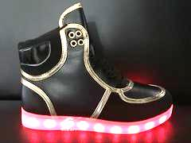
G02BK-M8 | LED Shoes/Black/W10/M8 |  |  | 251
G02BK-M8.5 | LED Shoes/Black/M8.5 |  |  | 252
G02BK-M9.5 | LED Shoes/Black/M9.5 |  |  | 250
G02BK-W5 | LED Shoes/Black/W5 |  |  | 155
G02BK-W5.5 | LED Shoes/Black/W5.5 |  |  | 204
G02BK-W6.5 | LED Shoes/Black/W6.5 |  |  | 203
G02BK-W7/M6 | LED Shoes/Black/W7/M6 |  |  | 204
G02BK-W8/M6.5 | LED Shoes/Black/W8/M6.5 |  |  | 298
G02BK-W9/M7 | LED Shoes/Black/W9/M7 |  |  | 154
 |  |  |  |  | 2019
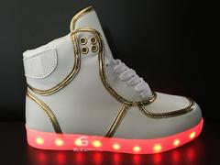
G02WT-W5 | LED Shoes/White/W5 |  |  | 155
G02WT-W5.5 | LED Shoes/White/W5.5 |  |  | 203
G02WT-W6.5 | LED Shoes/White/W6.5 |  |  | 204
G02WT-W7/M6 | LED Shoes/White/W7/M6 |  |  | 204
G02WT-W8/M6.5 | LED Shoes/White/W8/M6.5 |  |  | 202
G02WT-W9/M7 | LED Shoes/White/W9/M7 |  |  | 46
 |  |  |  |  | 1014
G03BK-M10 | LED Shoes/Black/M10 |  |  | 6
G03BK-M8 | LED Shoes/Black/W10/M8 |  |  | 95
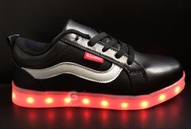
G03BK-M8.5 | LED Shoes/Black/M8.5 |  |  | 131
G03BK-M9.5 | LED Shoes/Black/M9.5 |  |  | 95
G03BK-W5 | LED Shoes/Black/W5 |  |  | 70
G03BK-W5.5 | LED Shoes/Black/W5.5 |  |  | 107
G03BK-W6.5 | LED Shoes/Black/W6.5 |  |  | 116
G03BK-W7/M6 | LED Shoes/Black/W7/M6 |  |  | 63
G03BK-W8/M6.5 | LED Shoes/Black/W8/M6.5 |  |  | 170
G03BK-W9/M7 | LED Shoes/Black/W9/M7 |  |  | 38
 |  |  |  |  | 885
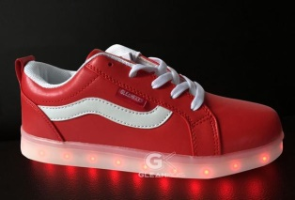
G03RD-W5 | LED Shoes/Red/W5 |  |  | 511
G03RD-W5.5 | LED Shoes/Red/W5.5 |  |  | 679
G03RD-W6.5 | LED Shoes/Red/W6.5 |  |  | 679
G03RD-W7/M6 | LED Shoes/Red/W7/M6 |  |  | 607
G03RD-W8/M6.5 | LED Shoes/Red/W8/M6.5 |  |  | 630
G03RD-W9/M7 | LED Shoes/Red/W9/M7 |  |  | 91
 |  |  |  |  | 3197
G03WT-M10 | LED Shoes/White/M10 |  |  | 68
G03WT-M8 | LED Shoes/White/W10/M8 |  |  | 535
G03WT-M8.5 | LED Shoes/White/M8.5 |  |  | 566
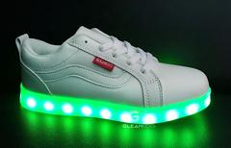
G03WT-M9.5 | LED Shoes/White/M9.5 |  |  | 543
G03WT-W5 | LED Shoes/White/W5 |  |  | 355
G03WT-W5.5 | LED Shoes/White/W5.5 |  |  | 499
G03WT-W6.5 | LED Shoes/White/W6.5 |  |  | 487
G03WT-W7/M6 | LED Shoes/White/W7/M6 |  |  | 427
G03WT-W8/M6.5 | LED Shoes/White/W8/M6.5 |  |  | 703
G03WT-W9/M7 | LED Shoes/White/W9/M7 |  |  | 269
 |  |  |  |  | 4384
G04GD-M10 | LED Shoes/Gold/M10 |  |  | 4
G04GD-M8.5 | LED Shoes/Gold/M8.5 |  |  | 48
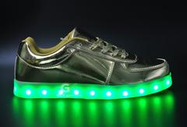
G04GD-M9.5 | LED Shoes/Gold/M9.5 |  |  | 24
G04GD-W10/M8 | LED Shoes/Gold/W10/M8 |  |  | 72
G04GD-W6.5 | LED Shoes/Gold/W6.5 |  |  | 3
G04GD-W7.5/M6 | LED Shoes/Gold/W7.5/M6 |  |  | 27
G04GD-W8/M6.5 | LED Shoes/Gold/W8/M6.5 |  |  | 22
G04GD-W9/M7 | LED Shoes/Gold/W9/M7 |  |  | 8
 |  |  |  |  | 208
G04SV-M10 | LED Shoes/Silver/M10 |  |  | 78
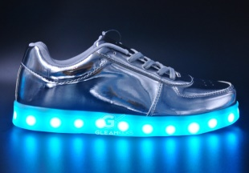
G04SV-M8.5 | LED Shoes/Silver/M8.5 |  |  | 60
G04SV-M9.5 | LED Shoes/Silver/M9.5 |  |  | 22
G04SV-W10/M8 | LED Shoes/Silver/W10/M8 |  |  | 82
G04SV-W6.5 | LED Shoes/Silver/W6.5 |  |  | 1
G04SV-W7.5/M6 | LED Shoes/Silver/W7.5/M6 |  |  | 2
G04SV-W8/M6.5 | LED Shoes/Silver/W8/M6.5 |  |  | 20
G04SV-W9/M7 | LED Shoes/Silver/W9/M7 |  |  | 8
 |  |  |  | 273
G05BK-M10 | LED Shoes/Black/M10 |  |  |  | 189
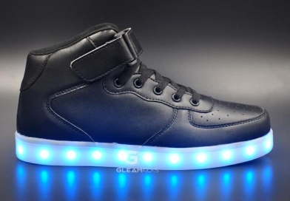
G05BK-M11 | LED Shoes/Black/M11 |  |  | 82
G05BK-M8.5 | LED Shoes/Black/M8.5 |  |  | 185
G05BK-M9.5 | LED Shoes/Black/M9.5 |  |  | 463
G05BK-W10/M8 | LED Shoes/Black/W10/M8 |  |  | 197
G05BK-W10/M8.5 | LED Shoes/Black/W10/M8.5 |  |  | 206
G05BK-W5 | LED Shoes/Black/W5 |  |  | 28
G05BK-W5.5 | LED Shoes/Black/W5.5 |  |  | 24
G05BK-W6 | LED Shoes/Black/W6 |  |  | 7
G05BK-W6.5 | LED Shoes/Black/W6.5 |  |  | 69
G05BK-W7.5/M6 | LED Shoes/Black/W7.5/M6 |  |  | 62
G05BK-W7/M6 | LED Shoes/Black/W7/M6 |  |  | 20
G05BK-W8.5/M7 | LED Shoes/Black/W8.5/M7 |  |  | 29
G05BK-W8/M6.5 | LED Shoes/Black/W8/M6.5 |  |  | 263
G05BK-W9.5/M8 | LED Shoes/Black/W9.5/M8 |  |  | 185
G05BK-W9/M7 | LED Shoes/Black/W9/M7 |  |  | 33
 |  |  |  |  | 1853
G05RD-M10 | LED Shoes/Red/M10 |  |  | 24
G05RD-M11 | LED Shoes/Red/M11 |  |  | 12
G05RD-W10/M8.5 | LED Shoes/Red/W10/M8.5 |  |  | 60
G05RD-W11/M9.5 | LED Shoes/Red/W11/M9.5 |  |  | 48
G05RD-W5 | LED Shoes/Red/W5 |  |  | 26
G05RD-W6 | LED Shoes/Red/W6 |  |  | 62
G05RD-W6.5 | LED Shoes/Red/W6.5 |  |  | 84
G05RD-W7/M6 | LED Shoes/Red/W7/M6 |  |  | 79
G05RD-W8.5/M7 | LED Shoes/Red/W8.5/M7 |  |  | 102
G05RD-W8/M6.5 | LED Shoes/Red/W8/M6.5 |  |  | 74
G05RD-W9.5/M8 | LED Shoes/Red/W9.5/M8 |  |  | 96
 |  |  |  |  | 667
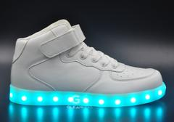
G05WT-M10 | LED Shoes/White/M10 |  |  | 278
G05WT-M11 | LED Shoes/White/M11 |  |  | 141
G05WT-M8.5 | LED Shoes/White/M8.5 |  |  | 213
G05WT-M9.5 | LED Shoes/White/M9.5 |  |  | 475
G05WT-W10/M8 | LED Shoes/White/W10/M8 |  |  | 164
G05WT-W10/M8.5 | LED Shoes/White/W10/M8.5 |  |  | 261
G05WT-W5 | LED Shoes/White/W5 |  |  | 16
G05WT-W5.5 | LED Shoes/White/W5.5 |  |  | 54
G05WT-W6 | LED SHOES/WHITE/W6 |  |  | 148
G05WT-W6.5 | LED Shoes/White/W6.5 |  |  | 90
G05WT-W7.5M6 | LED Shoes/White/W7.5/M6 |  |  | 23
G05WT-W7/M6 | LED Shoes/White/W7/M6 |  |  | 192
G05WT-W8.5/M7 | LED Shoes/White/W8.5/M7 |  |  | 68
G05WT-W8/M6.5 | LED Shoes/White/W8/M6.5 |  |  | 332
G05WT-W9.5/M8 | LED Shoes/White/W9.5/M8 |  |  | 258
G05WT-W9/M7 | LED Shoes/White/W9/M7 |  |  | 19
 |  |  |  |  | 2732
G06BK-M10 | LED Shoes/Black/M10 |  |  | 15
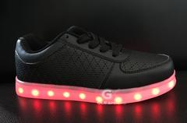
G06BK-M8 | LED Shoes/Black/W10/M8 |  |  | 399
G06BK-M8.5 | LED Shoes/Black/M8.5 |  |  | 426
G06BK-M9.5 | LED Shoes/Black/M9.5 |  |  | 384
G06BK-W5 | LED Shoes/Black/W5 |  |  | 290
G06BK-W5.5 | LED Shoes/Black/W5.5 |  |  | 410
G06BK-W6.5 | LED Shoes/Black/W6.5 |  |  | 397
G06BK-W7/M6 | LED Shoes/Black/W7/M6 |  |  | 314
G06BK-W8/M6.5 | LED Shoes/Black/W8/M6.5 |  |  | 549
G06BK-W9/M7 | LED Shoes/Black/W9/M7 |  |  | 265
 |  |  |  |  | 3449
G06WT-M10 | LED Shoes/White/M10 |  |  | 39
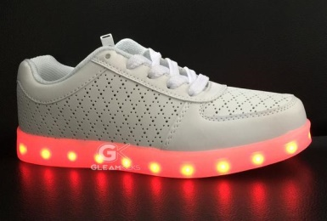
G06WT-M8 | LED Shoes/White/W10/M8 |  |  | 399
G06WT-M8.5 | LED Shoes/White/M8.5 |  |  | 426
G06WT-M9.5 | LED Shoes/White/M9.5 |  |  | 410
G06WT-W5 | LED Shoes/White/W5 |  |  | 279
G06WT-W5.5 | LED Shoes/White/W5.5 |  |  | 411
G06WT-W6.5 | LED Shoes/White/W6.5 |  |  | 387
G06WT-W7/M6 | LED Shoes/White/W7/M6 |  |  | 287
G06WT-W8/M6.5 | LED Shoes/White/W8/M6.5 |  |  | 549
G06WT-W9/M7 | LED Shoes/White/W9/M7 |  |  | 240
 |  |  |  |  | 3427
G07BK-M10 | LED Shoes/Black&White/M10 |  |  | 11
G07BK-M8 | LED Shoes/Black&White/W10/M8 |  |  | 19
G07BK-M8.5 | LED Shoes/Black&White/M8.5 |  |  | 24
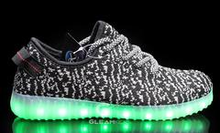
G07BK-M9.5 | LED Shoes/Black&White/M9.5 |  |  | 42
G07BK-W10/M8.5 | LED Shoes/Black&White/W10/M8.5 |  |  | 114
G07BK-W5 | LED Shoes/Black&White/W5 |  |  | 9
G07BK-W5.5 | LED Shoes/Black&White/W5.5 |  |  | 6
G07BK-W6 | LED Shoes/Black&White/W6/EUR36 |  |  | 134
G07BK-W6.5 | LED Shoes/Black&White/W6.5 |  |  | 83
G07BK-W7.5/M6 | LED Shoes/Black&White/W7.5/M6 |  |  | 6
G07BK-W8/M6.5 | LED Shoes/Black&White/W8/M6.5 |  |  | 1
G07BK-W9.5/M8 | LED Shoes/Black&White/W9.5/M8 |  |  | 185
 |  |  |  |  | 634
G07BL-M10 | LED Shoes/Blue/M10/EUR44 |  |  | 58
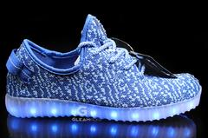
G07BL-M11 | LED Shoes/Blue/M11/EUR45 |  |  | 58
G07BL-W10/M8.5 | LED Shoes/Blue/W10-M8.5/EUR42 |  |  | 50
G07BL-W11/M9.5 | LED Shoes/Blue/W11-M9.5/EUR43 |  |  | 51
G07BL-W5 | LED Shoes/Blue/W5/EUR35 |  |  | 57
G07BL-W6 | LED Shoes/Blue/W6/EUR36 |  |  | 56
G07BL-W6.5 | LED Shoes/Blue/W6.5/EUR37 |  |  | 53
G07BL-W7/M6 | LED Shoes/Blue/W7-M6/EUR38 |  |  | 46
G07BL-W8.5/M7 | LED Shoes/Blue/W8.5-M7/EUR40 |  |  | 47
G07BL-W8/M6.5 | LED Shoes/Blue/W8-M6.5/EUR39 |  |  | 46
G07BL-W9.5/M8 | LED Shoes/Blue/W9.5-M8/EUR41 |  |  | 38
 |  |  |  |  | 560
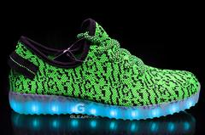
G07GR-M10 | LED Shoes/Green/M10 |  |  | 48
G07GR-M11 | LED Shoes/Green/M11/EUR45 |  |  | 54
G07GR-M8 | LED Shoes/Green/W10/M8 |  |  | 25
G07GR-M8.5 | LED Shoes/Green/M8.5 |  |  | 58
G07GR-M9.5 | LED Shoes/Green/M9.5 |  |  | 48
G07GR-W10/M8.5 | LED Shoes/Green/W10/M8.5 |  |  | 54
G07GR-W11/M9.5 | LED Shoes/Green/W11/M9.5 |  |  | 42
G07GR-W5 | LED Shoes/Green/W5 |  |  | 72
G07GR-W5.5 | LED Shoes/Green/W5.5 |  |  | 30
G07GR-W6 | LED Shoes/Green/W6/EUR36 |  |  | 54
G07GR-W6.5 | LED Shoes/Green/W6.5 |  |  | 122
G07GR-W7.5/M6 | LED Shoes/Green/W7.5/M6 |  |  | 20
G07GR-W7/M6 | LED Shoes/Green/W7/M6/EUR38 |  |  | 48
G07GR-W8.5/M7 | LED Shoes/Green/W8.5/M7/EUR40 |  |  | 42
G07GR-W8/M6.5 | LED Shoes/Green/W8/M6.5 |  |  | 122
G07GR-W9.5/M8 | LED Shoes/Green/W9.5/M8 |  |  | 54
G07GR-W9/M7 | LED Shoes/Green/W9/M7 |  |  | 26
 |  |  |  |  | 919
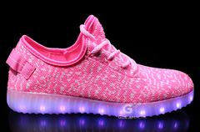
G07PK-W6 | LED Shoes/Pink/W6/EUR36 |  |  | 8
G07PK-W6.5 | LED Shoes/Pink/W6.5/EUR37 |  |  | 4
G07PK-W7/M6 | LED Shoes/Pink/W7-M6/EUR38 |  |  | 10
G07PK-W8.5/M7 | LED Shoes/Pink/W8.5-M7/EUR40 |  |  | 4
G07PK-W8/M6.5 | LED Shoes/Pink/W8-M6.5/EUR39 |  |  | 4

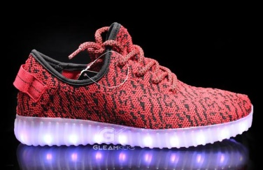
G07RD-M10 | LED Shoes/Red/M10 |  |  | 64 | 30
G07RD-M11 | LED Shoes/Red/M11/EUR45 |  |  | 35
G07RD-M8 | LED Shoes/Red/W10/M8 |  |  | 24
G07RD-M8.5 | LED Shoes/Red/M8.5 |  |  | 31
G07RD-M9.5 | LED Shoes/Red/M9.5 |  |  | 26
G07RD-W10/M8.5 | LED Shoes/Red/W10/M8.5 |  |  | 253
G07RD-W11/M9.5 | LED Shoes/Red/W11/M9.5 |  |  | 54
G07RD-W5 | LED Shoes/Red/W5 |  |  | 107
G07RD-W5.5 | LED Shoes/Red/W5.5 |  |  | 20
G07RD-W6 | LED Shoes/Red/W6 |  |  | 218
G07RD-W6.5 | LED Shoes/Red/W6.5 |  |  | 237
G07RD-W7.5/M6 | LED Shoes/Red/W7.5/M6 |  |  | 8
G07RD-W7/M6 | LED Shoes/Red/W7-M6/EUR38 |  |  | 75
G07RD-W8.5/M7 | LED Shoes/Red/W8.5/M7 |  |  | 47
G07RD-W8/M6.5 | LED Shoes/Red/W8/M6.5 |  |  | 116
G07RD-W9.5/M8 | LED Shoes/Red/W9.5/M8 |  |  | 266
G07RD-W9/M7 | LED Shoes/Red/W9/M7 |  |  | 13
 |  |  |  |  | 1594
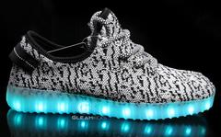
G07WT-M10 | LED Shoes/White/M10/EUR44 |  |  | 59
G07WT-M11 | LED Shoes/White/M11/EUR45 |  |  | 35
G07WT-W10/M8.5 | LED Shoes/White/W10-M8.5/EUR42 |  |  | 257
G07WT-W11/M9.5 | LED Shoes/White/W11-M9.5/EUR43 |  |  | 66
G07WT-W5(EUR35) | LED Shoes/White/W5/EUR35 |  |  | 132
G07WT-W6(EUR36) | LED Shoes/White/W6/EUR36 |  |  | 233
G07WT-W6.5 | LED Shoes/White/W6.5/EUR37 |  |  | 240
G07WT-W7/M6 | LED Shoes/White/W7-M6/EUR38 |  |  | 89
G07WT-W8.5/M7 | LED Shoes/White/W8.5-M7/EUR40 |  |  | 54
G07WT-W8/M6.5 | LED Shoes/White/W8-M6.5/EUR39 |  |  | 96
G07WT-W9.5/M8 | LED Shoes/White/W9.5-M8/EUR41 |  |  | 258
 |  |  |  |  | 1519
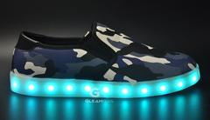
G09AMB-M10 | LED Shoes/Army Blue/M10 |  |  | 118
G09AMB-M8 | LED Shoes/Army Blue/M8 |  |  | 186
G09AMB-M8.5 | LED Shoes/Army Blue/M8.5 |  |  | 196
G09AMB-M9.5 | LED Shoes/Army Blue/M9.5 |  |  | 188
G09AMB-W9/M7 | LED Shoes/Army Blue/W9/M7 |  |  | 18

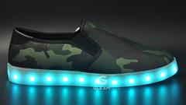
 |  |  |  |  | 706
G09AMG-M10 | LED Shoes/Army Green/M10 |  |  | 154
G09AMG-M8 | LED Shoes/Army Green/M8 |  |  | 198
G09AMG-M8.5 | LED Shoes/Army Green/M8.5 |  |  | 207
G09AMG-M9.5 | LED Shoes/Army Green/M9.5 |  |  | 188
G09AMG-W9/M7 | LED Shoes/Army Green/W9/M7 |  |  | 18

G09AMR-W5 | LED Shoes/Army Red/W5 |  |  | 105 | 765
G09AMR-W5.5 | LED Shoes/Army Red/W5.5 |  |  | 156
G09AMR-W6.5 | LED Shoes/Army Red/W6.5 |  |  | 177
G09AMR-W7.5/M6 | LED Shoes/Army Red/W7.5/M6 |  |  | 216
G09AMR-W8/M6.5 | LED Shoes/Army Red/W8/M6.5 |  |  | 153
G09AMR-W9/M7 | LED Shoes/Army Red/W9/M7 |  |  | 36
 |  |  |  |  | 843
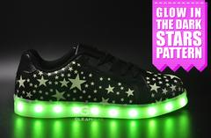
G10BK-W5 | LED Shoes/Black/W5 |  |  | 113
G10BK-W5.5 | LED Shoes/Black/W5.5 |  |  | 175
G10BK-W6.5 | LED Shoes/Black/W6.5 |  |  | 218
G10BK-W7.5/M6 | LED Shoes/Black/W7/M6 |  |  | 207
G10BK-W8/M6.5 | LED Shoes/Black/W8/M6.5 |  |  | 155
G10BK-W9/M7 | LED Shoes/Black/W9/M7 |  |  | 27
 |  |  |  |  | 895
G10SV-W5 | LED Shoes/Silver/W5 |  |  | 134
G10SV-W5.5 | LED Shoes/Silver/W5.5 |  |  | 182
G10SV-W6.5 | LED Shoes/Silver/W6.5 |  |  | 208
G10SV-W7.5/M6 | LED Shoes/Silver/W7/M6 |  |  | 210
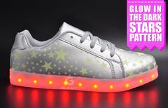
G10SV-W8/M6.5 | LED Shoes/Silver/W8/M6.5 |  |  | 145
G10SV-W9/M7 | LED Shoes/Silver/W9/M7 |  |  | 11
G10WT-W5 | LED Shoes/White/W5 |  |  | 90
G10WT-W5.5 | LED Shoes/White/W5.5 |  |  | 150
G10WT-W6.5 | LED Shoes/White/W6.5 |  |  | 180
G10WT-W7.5/M6 | LED Shoes/White/W7/M6 |  |  | 191
G10WT-W8/M6.5 | LED Shoes/White/W8/M6.5 |  |  | 138
G10WT-W9/M7 | LED Shoes/White/W9/M7 |  |  | 42
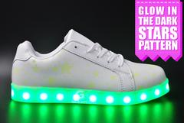
 |  |  |  |  | 1681
G11BU-W5 | LED Shoes/Blue/W5 |  |  | 81
G11BU-W5.5 | LED Shoes/Blue/W5.5 |  |  | 153
G11BU-W6.5 | LED Shoes/Blue/W6.5 |  |  | 176
G11BU-W7.5/M6 | LED Shoes/Blue/W7.5/M6 |  |  | 164
G11BU-W8/M6.5 | LED Shoes/Blue/W8/M6.5 |  |  | 104
G11BU-W9/M7 | LED Shoes/Blue/W9/M7 |  |  | -2
 |  |  |  |  | 676
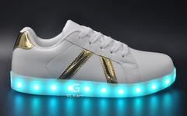
G11GD-W5 | LED Shoes/Gold/W5 |  |  | 103
G11GD-W5.5 | LED Shoes/Gold/W5.5 |  |  | 152
G11GD-W6.5 | LED Shoes/Gold/W6.5 |  |  | 200
G11GD-W7.5/M6 | LED Shoes/Gold/W7.5/M6 |  |  | 173
G11GD-W8/M6.5 | LED Shoes/Gold/W8/M6.5 |  |  | 114
G11GD-W9/M7 | LED Shoes/Gold/W9/M7 |  |  | 8
 |  |  |  |  | 750
G11PN-W5 | LED Shoes/Pink/W5 |  |  | 103
G11PN-W5.5 | LED Shoes/Pink/W5.5 |  |  | 153
G11PN-W6.5 | LED Shoes/Pink/W6.5 |  |  | 175
G11PN-W7.5/M6 | LED Shoes/Pink/W7.5/M6 |  |  | 176
G11PN-W8/M6.5 | LED Shoes/Pink/W8/M6.5 |  |  | 153
G11PN-W9/M7 | LED Shoes/Pink/W9/M7 |  |  | 9
 |  |  |  |  | 769
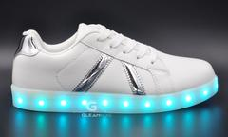
G11SV-W5 | LED Shoes/Silver/W5 |  |  | 79
G11SV-W5.5 | LED Shoes/Silver/W5.5 |  |  | 139
G11SV-W6.5 | LED Shoes/Silver/W6.5 |  |  | 187
G11SV-W7.5/M6 | LED Shoes/Silver/W7.5/M6 |  |  | 187
G11SV-W8/M6.5 | LED Shoes/Silver/W8/M6.5 |  |  | 138
G11SV-W9/M7 | LED Shoes/Silver/W9/M7 |  |  | 19
 |  |  |  |  | 749
G12BK-M10 | LED Shoes/Black/M10 |  |  | 20
G12BK-M8 | LED Shoes/Black/W10/M8 |  |  | 116
G12BK-M8.5 | LED Shoes/Black/M8.5 |  |  | 113
G12BK-M9.5 | LED Shoes/Black/M9.5 |  |  | 113
G12BK-W5 | LED Shoes/Black/W5 |  |  | 68
G12BK-W5.5 | LED Shoes/Black/W5.5 |  |  | 92
G12BK-W6.5 | LED Shoes/Black/W6.5 |  |  | 92
G12BK-W7.5/M6 | LED Shoes/Black/W7/M6 |  |  | 91
G12BK-W8/M6.5 | LED Shoes/Black/W8/M6.5 |  |  | 140
G12BK-W9/M7 | LED Shoes/Black/W9/M7 |  |  | 68
 |  |  |  |  | 913
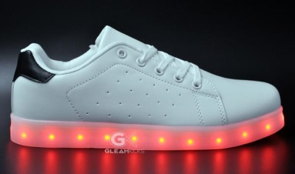
G12GR-M10 | LED Shoes/Green/M10 |  |  | 24
G12GR-M8 | LED Shoes/Green/W10/M8 |  |  | 120
G12GR-M8.5 | LED Shoes/Green/M8.5 |  |  | 120
G12GR-M9.5 | LED Shoes/Green/M9.5 |  |  | 119
G12GR-W5 | LED Shoes/Green/W5 |  |  | 36
G12GR-W5.5 | LED Shoes/Green/W5.5 |  |  | 48
G12GR-W6.5 | LED Shoes/Green/W6.5 |  |  | 48
G12GR-W7.5/M6 | LED Shoes/Green/W7/M6 |  |  | 96
G12GR-W8/M6.5 | LED Shoes/Green/W8/M6.5 |  |  | 107
G12GR-W9/M7 | LED Shoes/Green/W9/M7 |  |  | 48
 |  |  |  |  | 766
G12SV-M10 | LED Shoes/Silver/M10 |  |  | 23
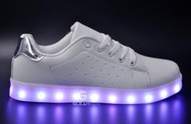
G12SV-M8 | LED Shoes/Silver/W10/M8 |  |  | 119
G12SV-M8.5 | LED Shoes/Silver/M8.5 |  |  | 119
G12SV-M9.5 | LED Shoes/Silver/M9.5 |  |  | 118
G12SV-W5 | LED Shoes/Silver/W5 |  |  | 70
G12SV-W5.5 | LED Shoes/Silver/W5.5 |  |  | 95
G12SV-W6.5 | LED Shoes/Silver/W6.5 |  |  | 95
G12SV-W7.5/M6 | LED Shoes/Silver/W7/M6 |  |  | 46
G12SV-W8/M6.5 | LED Shoes/Silver/W8/M6.5 |  |  | 143
G12SV-W9/M7 | LED Shoes/Silver/W9/M7 |  |  | 71
 |  |  |  |  | 899
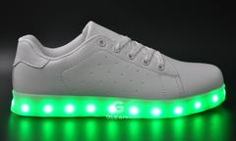
G12WT-M10 | LED Shoes/White/M10 |  |  | 11
G12WT-M8 | LED Shoes/White/W10/M8 |  |  | 32
G12WT-M8.5 | LED Shoes/White/M8.5 |  |  | 65
G12WT-M9.5 | LED Shoes/White/M9.5 |  |  | 40
G12WT-W5 | LED Shoes/White/W5 |  |  | 8
G12WT-W5.5 | LED Shoes/White/W5.5 |  |  | 32
G12WT-W6.5 | LED Shoes/White/W6.5 |  |  | 56
G12WT-W7.5/M6 | LED Shoes/White/W7/M6 |  |  | 8
G12WT-W8/M6.5 | LED Shoes/White/W8/M6.5 |  |  | 67
G12WT-W9/M7 | LED Shoes/White/W9/M7 |  |  | 43
 |  |  |  |  | 362
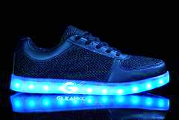
G17BK-M10 | LED Shoes/Black/M10 (EUR44) |  |  | 204
G17BK-M11 | LED Shoes/Black/M11 (EUR45) |  |  | 84
G17BK-W10/M8.5 | LED Shoes/Black/W10/M8.5 (EUR42) |  |  | 204
G17BK-W11/M9.5 | LED Shoes/Black/W11/M9.5 (EUR43) |  |  | 201
G17BK-W5 | LED Shoes/Black/W5 (EUR35) |  |  | 72
G17BK-W6 | LED Shoes/Black/W6 (EUR36) |  |  | 192
G17BK-W6.5 | LED Shoes/Black/W6.5 (EUR37) |  |  | 192
G17BK-W7/M6 | LED Shoes/Black/W7/M6 (EUR38) |  |  | 189
G17BK-W8.5/M7 | LED Shoes/Black/W8.5/M7 (EUR40) |  |  | 201
G17BK-W8/M6.5 | LED Shoes/Black/W8/M6.5 (EUR39) |  |  | 180
G17BK-W9.5/M8 | LED Shoes/Black/W9.5/M8 (EUR41) |  |  | 204
 |  |  |  |  | 1923
G17WT-M10 | LED Shoes/White/M10 (EUR44) |  |  | 240
G17WT-M11 | LED Shoes/White/M11 (EUR45) |  |  | 120
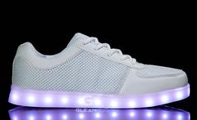
G17WT-W10/M8.5 | LED Shoes/White/W10/M8.5 (EUR42) |  |  | 240
G17WT-W11/M9.5 | LED Shoes/White/W11/M9.5 (EUR43) |  |  | 240
G17WT-W5 | LED Shoes/White/W5 (EUR35) |  |  | 120
G17WT-W6 | LED Shoes/White/W6 (EUR36) |  |  | 240
G17WT-W6.5 | LED Shoes/White/W6.5 (EUR37) |  |  | 240
G17WT-W7/M6 | LED Shoes/White/W7/M6 (EUR38) |  |  | 240
G17WT-W8.5/M7 | LED Shoes/White/W8.5/M7 (EUR40) |  |  | 240
G17WT-W8/M6.5 | LED Shoes/White/W8/M6.5 (EUR39) |  |  | 240
G17WT-W9.5/M8 | LED Shoes/White/W9.5/M8 (EUR41) |  |  | 240
 |  |  |  |  | 2400
G60BG-K1 | LED Kids Shoes/Beige/K1 |  |  | 166
G60BG-K1.5 | LED Kids Shoes/Beige/K1.5 |  |  | 168
G60BG-K10 | LED Kids Shoes/Beige/K10 |  |  | 164
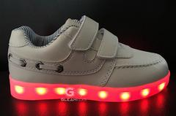
G60BG-K11 | LED Kids Shoes/Beige/K11 |  |  | 163
G60BG-K12 | LED Kids Shoes/Beige/K12 |  |  | 169
G60BG-K12.5 | LED Kids Shoes/Beige/K12.5 |  |  | 168
G60BG-K13 | LED Kids Shoes/Beige/K13 |  |  | 170
G60BG-K2.5 | LED Kids Shoes/Beige/K2.5 |  |  | 170
G60BG-K8 | LED Kids Shoes/Beige/K8 |  |  | 164
G60BG-K9 | LED Kids Shoes/Beige/K9 |  |  | 163
 |  |  |  |  | 1665
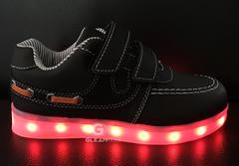
G60BK-K1 | LED Kids Shoes/Black/K1 |  |  | 153
G60BK-K1.5 | LED Kids Shoes/Black/K1.5 |  |  | 161
G60BK-K10 | LED Kids Shoes/Black/K10 |  |  | 160
G60BK-K11 | LED Kids Shoes/Black/K11 |  |  | 160
G60BK-K12 | LED Kids Shoes/Black/K12 |  |  | 154
G60BK-K12.5 | LED Kids Shoes/Black/K12.5 |  |  | 156
G60BK-K13 | LED Kids Shoes/Black/K13 |  |  | 159
G60BK-K2.5 | LED Kids Shoes/Black/K2.5 |  |  | 133
G60BK-K8 | LED Kids Shoes/Black/K8 |  |  | 160
G60BK-K9 | LED Kids Shoes/Black/K9 |  |  | 168
 |  |  |  |  | 1564
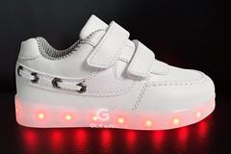
G60WT-K1 | LED Kids Shoes/White/K1 |  |  | 275
G60WT-K1.5 | LED Kids Shoes/White/K1.5 |  |  | 276
G60WT-K10 | LED Kids Shoes/White/K10 |  |  | 281
G60WT-K11 | LED Kids Shoes/White/K11 |  |  | 268
G60WT-K12 | LED Kids Shoes/White/K12 |  |  | 281
G60WT-K12.5 | LED Kids Shoes/White/K12.5 |  |  | 270
G60WT-K13 | LED Kids Shoes/White/K13 |  |  | 279
G60WT-K2.5 | LED Kids Shoes/White/K2.5 |  |  | 276
G60WT-K8 | LED Kids Shoes/White/K8 |  |  | 268
G60WT-K9 | LED Kids Shoes/White/K9 |  |  | 270
 |  |  |  |  | 2744
G61BK-KIDS1 | LED Shoes/White/Black/Kids 1 |  |  | 94
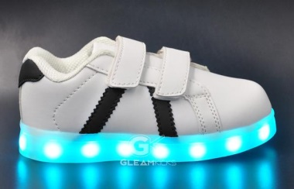
G61BK-KIDS1.5 | LED Shoes/White/Black/Kids 1.5 |  |  | 106
G61BK-KIDS10 | LED Shoes/White/Black/Kids 10 |  |  | 82
G61BK-KIDS11 | LED Shoes/White/Black/Kids 11 |  |  | 94
G61BK-KIDS12 | LED Shoes/White/Black/Kids 12 |  |  | 94
G61BK-KIDS12.5 | LED Shoes/White/Black/Kids 12.5 |  |  | 94
G61BK-KIDS13 | LED Shoes/White/Black/Kids 13 |  |  | 94
G61BK-KIDS2.5 | LED Shoes/White/Black/Kids 2.5 |  |  | 106
G61BK-KIDS8 | LED Shoes/White/Black/Kids 8 |  |  | 106
G61BK-KIDS9 | LED Shoes/White/Black/Kids 9 |  |  | 106
G61BL-KIDS1 | LED Shoes/White/Blue/Kids 1 |  |  | 95
G61BL-KIDS1.5 | LED Shoes/White/Blue/Kids 1.5 |  |  | 95
G61BL-KIDS10 | LED Shoes/White/Blue/Kids 10 |  |  | 95
G61BL-KIDS11 | LED Shoes/White/Blue/Kids 11 |  |  | 95
G61BL-KIDS12 | LED Shoes/White/Blue/Kids 12 |  |  | 95
G61BL-KIDS12.5 | LED Shoes/White/Blue/Kids 12.5 |  |  | 83
G61BL-KIDS13 | LED Shoes/White/Blue/Kids 13 |  |  | 95
G61BL-KIDS2.5 | LED Shoes/White/Blue/Kids 2.5 |  |  | 83
G61BL-KIDS8 | LED Shoes/White/Blue/Kids 8 |  |  | 95
G61BL-KIDS9 | LED Shoes/White/Blue/Kids 9 |  |  | 95
 |  |  |  |  | 1902
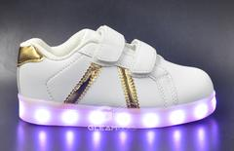
G61GD-KIDS1 | LED Shoes/White/Gold/Kids 1 |  |  | 90
G61GD-KIDS1.5 | LED Shoes/White/Gold/Kids 1.5 |  |  | 96
G61GD-KIDS10 | LED Shoes/White/Gold/Kids 10 |  |  | 90
G61GD-KIDS11 | LED Shoes/White/Gold/Kids 11 |  |  | 78
G61GD-KIDS12 | LED Shoes/White/Gold/Kids 12 |  |  | 90
G61GD-KIDS12.5 | LED Shoes/White/Gold/Kids 12.5 |  |  | 90
G61GD-KIDS13 | LED Shoes/White/Gold/Kids 13 |  |  | 90
G61GD-KIDS2.5 | LED Shoes/White/Gold/Kids 2.5 |  |  | 96
G61GD-KIDS8 | LED Shoes/White/Gold/Kids 8 |  |  | 90
G61GD-KIDS9 | LED Shoes/White/Gold/Kids 9 |  |  | 90
G61GR-KIDS1 | LED Shoes/White/Green/Kids 1 |  |  | 84
G61GR-KIDS1.5 | LED Shoes/White/Green/Kids 1.5 |  |  | 72
G61GR-KIDS10 | LED Shoes/White/Green/Kids 10 |  |  | 72
G61GR-KIDS11 | LED Shoes/White/Green/Kids 11 |  |  | 84
G61GR-KIDS12 | LED Shoes/White/Green/Kids 12 |  |  | 84
G61GR-KIDS12.5 | LED Shoes/White/Green/Kids 12.5 |  |  | 84
G61GR-KIDS13 | LED Shoes/White/Green/Kids 13 |  |  | 84
G61GR-KIDS2.5 | LED Shoes/White/Green/Kids 2.5 |  |  | 84
G61GR-KIDS8 | LED Shoes/White/Green/Kids 8 |  |  | 72
G61GR-KIDS9 | LED Shoes/White/Green/Kids 9 |  |  | 72
G61PK-KIDS1 | LED Shoes/White/Pink/Kids 1 |  |  | 83
G61PK-KIDS1.5 | LED Shoes/White/Pink/Kids 1.5 |  |  | 95
G61PK-KIDS10 | LED Shoes/White/Pink/Kids 10 |  |  | 83
G61PK-KIDS11 | LED Shoes/White/Pink/Kids 11 |  |  | 83
G61PK-KIDS12 | LED Shoes/White/Pink/Kids 12 |  |  | 82
G61PK-KIDS12.5 | LED Shoes/White/Pink/Kids 12.5 |  |  | 83
G61PK-KIDS13 | LED Shoes/White/Pink/Kids 13 |  |  | 83
G61PK-KIDS2.5 | LED Shoes/White/Pink/Kids 2.5 |  |  | 94
G61PK-KIDS8 | LED Shoes/White/Pink/Kids 8 |  |  | 95
G61PK-KIDS9 | LED Shoes/White/Pink/Kids 9 |  |  | 82
G61SV-K1 | LED SHOES/WHITE/SILVER/KIDS 1 |  |  | 95
G61SV-K1.5 | LED SHOES/WHITE/SILVER/KIDS 1.5 |  |  | 94
G61SV-K10 | LED SHOES/WHITE/SILVER/KIDS 10 |  |  | 95
G61SV-K11 | LED SHOES/WHITE/SILVER/KIDS 11 |  |  | 95
G61SV-K12 | LED SHOES/WHITE/SILVER/KIDS 12 |  |  | 95
G61SV-K12.5 | LED SHOES/WHITE/SILVER/KIDS 12.5 |  |  | 95
G61SV-K13 | LED SHOES/WHITE/SILVER/KIDS 13 |  |  | 95
G61SV-K2.5 | LED SHOES/WHITE/SILVER/KIDS 2.5 |  |  | 94
G61SV-K8 | LED SHOES/WHITE/SILVER/KIDS 8 |  |  | 83
G61SV-K9 | LED SHOES/WHITE/SILVER/KIDS 9 |  |  | 95
 |  |  |  |  | 3491
G62BK-KIDS1 | LED Shoes/Black/Kids 1 |  |  | 43
G62BK-KIDS1.5 | LED Shoes/Black/Kids 1.5 |  |  | 56
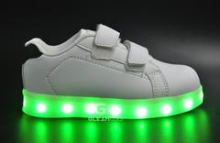
G62BK-KIDS10 | LED Shoes/Black/Kids 10 |  |  | 66
G62BK-KIDS11 | LED Shoes/Black/Kids 11 |  |  | 65
G62BK-KIDS12 | LED Shoes/Black/Kids 12 |  |  | 76
G62BK-KIDS12.5 | LED Shoes/Black/Kids 12.5 |  |  | 79
G62BK-KIDS13 | LED Shoes/Black/Kids 13 |  |  | 61
G62BK-KIDS2.5 | LED Shoes/Black/Kids 2.5 |  |  | 55
G62BK-KIDS8 | LED Shoes/Black/Kids 8 |  |  | 68
G62BK-KIDS9 | LED Shoes/Black/Kids 9 |  |  | 52
 |  |  |  |  | 621
G62BL-KIDS1.5 | LED Shoes/Blue/Kids 1.5 |  |  | 28
G62BL-KIDS10 | LED Shoes/Blue/Kids 10 |  |  | 28
G62BL-KIDS11 | LED Shoes/Blue/Kids 11 |  |  | 4
G62BL-KIDS12 | LED Shoes/Blue/Kids 12 |  |  | 22
G62BL-KIDS12.5 | LED Shoes/Blue/Kids 12.5 |  |  | -1
G62BL-KIDS13 | LED Shoes/Blue/Kids 13 |  |  | 4
G62BL-KIDS2.5 | LED Shoes/Blue/Kids 2.5 |  |  | 2
G62BL-KIDS8 | LED Shoes/Blue/Kids 8 |  |  | 26
G62BL-KIDS9 | LED Shoes/Blue/Kids 9 |  |  | 24
 |  |  |  |  | 137
G62GR-KIDS1 | LED Shoes/Green/Kids 1 |  |  | 71
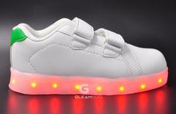
G62GR-KIDS1.5 | LED Shoes/Green/Kids 1.5 |  |  | 59
G62GR-KIDS10 | LED Shoes/Green/Kids 10 |  |  | 34
G62GR-KIDS11 | LED Shoes/Green/Kids 11 |  |  | 115
G62GR-KIDS12 | LED Shoes/Green/Kids 12 |  |  | 108
G62GR-KIDS12.5 | LED Shoes/Green/Kids 12.5 |  |  | 84
G62GR-KIDS13 | LED Shoes/Green/Kids 13 |  |  | 59
G62GR-KIDS2.5 | LED Shoes/Green/Kids 2.5 |  |  | 55
G62GR-KIDS8 | LED Shoes/Green/Kids 8 |  |  | 95
G62GR-KIDS9 | LED Shoes/Green/Kids 9 |  |  | 47
 |  |  |  |  | 727
G62PK-KIDS1 | LED Shoes/Pink/Kids 1 |  |  | 14
G62PK-KIDS1.5 | LED Shoes/Pink/Kids 1.5 |  |  | 17
G62PK-KIDS10 | LED Shoes/Pink/Kids 10 |  |  | 18
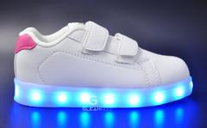
G62PK-KIDS11 | LED Shoes/Pink/Kids 11 |  |  | 8
G62PK-KIDS12 | LED Shoes/Pink/Kids 12 |  |  | 10
G62PK-KIDS12.5 | LED Shoes/Pink/Kids 12.5 |  |  | 15
G62PK-KIDS13 | LED Shoes/Pink/Kids 13 |  |  | 12
G62PK-KIDS2.5 | LED Shoes/Pink/Kids 2.5 |  |  | 15
G62PK-KIDS8 | LED Shoes/Pink/Kids 8 |  |  | 16
G62PK-KIDS9 | LED Shoes/Pink/Kids 9 |  |  | 18
 |  |  |  |  | 143
G63GD-KIDS1 | LED Shoes/Gold/Kids 1 |  |  | 74
G63GD-KIDS1.5 | LED Shoes/Gold/Kids 1.5 |  |  | 87
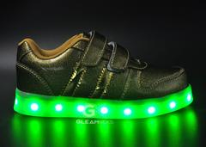
G63GD-KIDS10 | LED Shoes/Gold/Kids 10 |  |  | 74
G63GD-KIDS11 | LED Shoes/Gold/Kids 11 |  |  | 75
G63GD-KIDS12 | LED Shoes/Gold/Kids 12 |  |  | 76
G63GD-KIDS12.5 | LED Shoes/Gold/Kids 12.5 |  |  | 77
G63GD-KIDS13 | LED Shoes/Gold/Kids 13 |  |  | 86
G63GD-KIDS2.5 | LED Shoes/Gold/Kids 2.5 |  |  | 75
G63GD-KIDS8 | LED Shoes/Gold/Kids 8 |  |  | 75
 |  |  |  |  | 699
G63GD-KIDS9 | LED Shoes/Gold/Kids 9 |  |  | 64
G63PK-KIDS1 | LED Shoes/Pink/Kids 1 |  |  | 8
G63PK-KIDS1.5 | LED Shoes/Pink/Kids 1.5 |  |  | 17
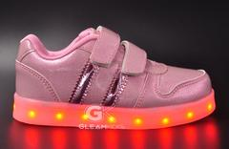
G63PK-KIDS10 | LED Shoes/Pink/Kids 10 |  |  | 16
G63PK-KIDS11 | LED Shoes/Pink/Kids 11 |  |  | 31
G63PK-KIDS12 | LED Shoes/Pink/Kids 12 |  |  | 8
G63PK-KIDS12.5 | LED Shoes/Pink/Kids 12.5 |  |  | 20
G63PK-KIDS13 | LED Shoes/Pink/Kids 13 |  |  | 31
G63PK-KIDS2.5 | LED Shoes/Pink/Kids 2.5 |  |  | 9
G63PK-KIDS8 | LED Shoes/Pink/Kids 8 |  |  | 32
G63PK-KIDS9 | LED Shoes/Pink/Kids 9 |  |  | 7
 |  |  |  |  | 243
G63PP-KIDS1 | LED Shoes/Purple/Kids 1 |  |  | 1
G63PP-KIDS11 | LED Shoes/Purple/Kids 11 |  |  | 1
G63PP-KIDS12 | LED Shoes/Purple/Kids 12 |  |  | 2
G63PP-KIDS12.5 | LED Shoes/Purple/Kids 12.5 |  |  | -1
G63PP-KIDS2.5 | LED Shoes/Purple/Kids 2.5 |  |  | 2
 |  |  |  |  | 5
G63SV-KIDS1 | LED Shoes/Silver/Kids 1 |  |  | 15
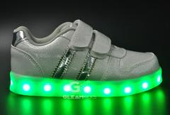
G63SV-KIDS1.5 | LED Shoes/Silver/Kids 1.5 |  |  | 42
G63SV-KIDS10 | LED Shoes/Silver/Kids 10 |  |  | 27
G63SV-KIDS11 | LED Shoes/Silver/Kids 11 |  |  | 21
G63SV-KIDS12 | LED Shoes/Silver/Kids 12 |  |  | 24
G63SV-KIDS12.5 | LED Shoes/Silver/Kids 12.5 |  |  | 14
G63SV-KIDS13 | LED Shoes/Silver/Kids 13 |  |  | 25
G63SV-KIDS2.5 | LED Shoes/Silver/Kids 2.5 |  |  | 32
G63SV-KIDS8 | LED Shoes/Silver/Kids 8 |  |  | 27
G63SV-KIDS9 | LED Shoes/Silver/Kids 9 |  |  | 33
 |  |  |  |  | 260
G64BK-K1 | LED Kids Shoes/Black/K1 |  |  | 115
G64BK-K1.5 | LED Kids Shoes/Black/K1.5 |  |  | 119
G64BK-K10 | LED Kids Shoes/Black/K10 |  |  | 128
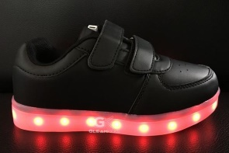
G64BK-K11 | LED Kids Shoes/Black/K11 |  |  | 131
G64BK-K12 | LED Kids Shoes/Black/K12 |  |  | 128
G64BK-K12.5 | LED Kids Shoes/Black/K12.5 |  |  | 124
G64BK-K13 | LED Kids Shoes/Black/K13 |  |  | 140
G64BK-K2.5 | LED Kids Shoes/Black/K2.5 |  |  | 131
G64BK-K8 | LED Kids Shoes/Black/K8 |  |  | 125
G64BK-K9 | LED Kids Shoes/Black/K9 |  |  | 132
 |  |  |  |  | 1273
G64WT-K1 | LED Kids Shoes/White/K1 |  |  | 160
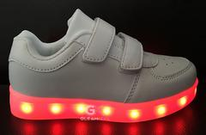
G64WT-K1.5 | LED Kids Shoes/White/K1.5 |  |  | 160
G64WT-K10 | LED Kids Shoes/White/K10 |  |  | 178
G64WT-K11 | LED Kids Shoes/White/K11 |  |  | 177
G64WT-K12 | LED Kids Shoes/White/K12 |  |  | 172
G64WT-K12.5 | LED Kids Shoes/White/K12.5 |  |  | 142
G64WT-K13 | LED Kids Shoes/White/K13 |  |  | 162
G64WT-K2.5 | LED Kids Shoes/White/K2.5 |  |  | 160
G64WT-K8 | LED Kids Shoes/White/K8 |  |  | 170
G64WT-K9 | LED Kids Shoes/White/K9 |  |  | 178
 |  |  |  |  | 1659
G65BO-KIDS1 | LED Shoes/Blue/Orange/Kids 1 |  |  | 50
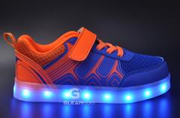
G65BO-KIDS1.5 | LED Shoes/Blue/Orange/Kids 1.5 |  |  | 89
G65BO-KIDS10 | LED Shoes/Blue/Orange/Kids 10 |  |  | 49
G65BO-KIDS11 | LED Shoes/Blue/Orange/Kids 11 |  |  | 53
G65BO-KIDS12 | LED Shoes/Blue/Orange/Kids 12 |  |  | 28
G65BO-KIDS12.5 | LED Shoes/Blue/Orange/Kids 12.5 |  |  | 68
G65BO-KIDS13 | LED Shoes/Blue/Orange/Kids 13 |  |  | 62
G65BO-KIDS2.5 | LED Shoes/Blue/Orange/Kids 2.5 |  |  | 63
G65BO-KIDS8 | LED Shoes/Blue/Orange/Kids 8 |  |  | 77
G65BO-KIDS9 | LED Shoes/Blue/Orange/Kids 9 |  |  | 67
 |  |  |  |  | 606
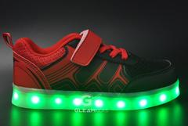
G65BR-KIDS1 | LED Shoes/Black/Red/Kids 1 |  |  | 13
G65BR-KIDS1.5 | LED Shoes/Black/Red/Kids 1.5 |  |  | 38
G65BR-KIDS10 | LED Shoes/Black/Red/Kids 10 |  |  | 4
G65BR-KIDS11 | LED Shoes/Black/Red/Kids 11 |  |  | 23
G65BR-KIDS12 | LED Shoes/Black/Red/Kids 12 |  |  | 7
G65BR-KIDS2.5 | LED Shoes/Black/Red/Kids 2.5 |  |  | 29
G65BR-KIDS8 | LED Shoes/Black/Red/Kids 8 |  |  | 70
G65BR-KIDS9 | LED Shoes/Black/Red/Kids 9 |  |  | 55
G65BY-KIDS1 | LED Shoes/Grey/Green/Kids 1 |  |  | 24
G65BY-KIDS1.5 | LED Shoes/Grey/Green/Kids 1.5 |  |  | 83
G65BY-KIDS10 | LED Shoes/Blue/Yellow/Kids 10 |  |  | 8
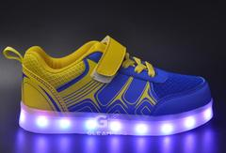
G65BY-KIDS11 | LED Shoes/Blue/Yellow/Kids 11 |  |  | 69
G65BY-KIDS12 | LED Shoes/Blue/Yellow/Kids 12 |  |  | 13
G65BY-KIDS12.5 | LED Shoes/Blue/Yellow/Kids 12.5 |  |  | 64
G65BY-KIDS13 | LED Shoes/Grey/Green/Kids 13 |  |  | 28
G65BY-KIDS2.5 | LED Shoes/Grey/Green/Kids 2.5 |  |  | 54
G65BY-KIDS8 | LED Shoes/Blue/Yellow/Kids 8 |  |  | 88
G65BY-KIDS9 | LED Shoes/Blue/Yellow/Kids 9 |  |  | 69
 |  |  |  |  | 739
G65GG-KIDS1 | LED Shoes/Grey/Green/Kids 1 |  |  | 49
G65GG-KIDS1.5 | LED Shoes/Grey/Green/Kids 1.5 |  |  | 56
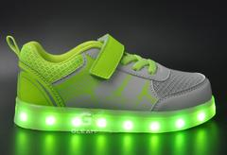
G65GG-KIDS10 | LED Shoes/Grey/Green/Kids 10 |  |  | 73
G65GG-KIDS11 | LED Shoes/Grey/Green/Kids 11 |  |  | 71
G65GG-KIDS12 | LED Shoes/Grey/Green/Kids 12 |  |  | 58
G65GG-KIDS12.5 | LED Shoes/Grey/Green/Kids 12.5 |  |  | 62
G65GG-KIDS13 | LED Shoes/Grey/Green/Kids 13 |  |  | 63
G65GG-KIDS2.5 | LED Shoes/Grey/Green/Kids 2.5 |  |  | 56
G65GG-KIDS8 | LED Shoes/Grey/Green/Kids 8 |  |  | 89
G65GG-KIDS9 | LED Shoes/Grey/Green/Kids 9 |  |  | 75
 |  |  |  |  | 652
G67BK-K1 | LED Kids Shoes/Black/K1 (EUR32) |  |  | 387
G67BK-K1.5 | LED Kids Shoes/Black/K1.5 (EUR33) |  |  | 380
G67BK-K10 | LED Kids Shoes/Black/K10 (EUR27) |  |  | 423
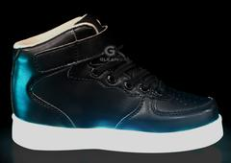
G67BK-K11 | LED Kids Shoes/Black/K11 (EUR28) |  |  | 415
G67BK-K12 | LED Kids Shoes/Black/K12 (EUR29) |  |  | 414
G67BK-K12.5 | LED Kids Shoes/Black/K12.5 (EUR30) |  |  | 414
G67BK-K13 | LED Kids Shoes/Black/K13 (EUR31) |  |  | 395
G67BK-K2.5 | LED Kids Shoes/Black/K2.5 (EUR34) |  |  | 347
G67BK-K8 | LED Kids Shoes/Black/K8 (EUR25) |  |  | 433
G67BK-K9 | LED Kids Shoes/Black/K9 (EUR26) |  |  | 451
G67RD-K1 | LED Kids Shoes/Red/K1 (EUR32) |  |  | 132
 |  |  |  |  | 4191
G67RD-K1.5 | LED Kids Shoes/Red/K1.5 (EUR33) |  |  | 132
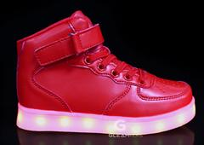
G67RD-K10 | LED Kids Shoes/Red/K10 (EUR27) |  |  | 127
G67RD-K11 | LED Kids Shoes/Red/K11 (EUR28) |  |  | 136
G67RD-K12 | LED Kids Shoes/Red/K12 (EUR29) |  |  | 123
G67RD-K12.5 | LED Kids Shoes/Red/K12.5 (EUR30) |  |  | 129
G67RD-K13 | LED Kids Shoes/Red/K13 (EUR31) |  |  | 128
G67RD-K2.5 | LED Kids Shoes/Red/K2.5 (EUR34) |  |  | 108
G67RD-K8 | LED Kids Shoes/Red/K8 (EUR25) |  |  | 139
G67RD-K9 | LED Kids Shoes/Red/K9 (EUR26) |  |  | 139
 |  |  |  |  | 1161
G67WT-K1 | LED Kids Shoes/White/K1 (EUR32) |  |  | 386

G67WT-K1.5 | LED Kids Shoes/White/K1.5 (EUR33) |  |  | 383
G67WT-K10 | LED Kids Shoes/White/K10 (EUR27) |  |  | 428
G67WT-K11 | LED Kids Shoes/White/K11 (EUR28) |  |  | 420
G67WT-K12 | LED Kids Shoes/White/K12 (EUR29) |  |  | 419
G67WT-K12.5 | LED Kids Shoes/White/K12.5 (EUR30) |  |  | 413
G67WT-K13 | LED Kids Shoes/White/K13 (EUR31) |  |  | 394
G67WT-K2.5 | LED Kids Shoes/White/K2.5 (EUR34) |  |  | 401
G67WT-K8 | LED Kids Shoes/White/K8 (EUR25) |  |  | 425
G67WT-K9 | LED Kids Shoes/White/K9 (EUR26) |  |  | 408
 |  |  |  |  | 4077

G68BK-K11 | LED Kids Shoes/Black/K11 (EUR28) |  |  | 39
G68BK-K8 | LED Kids Shoes/Black/K8 (EUR25) |  |  | 12
G68BK-K9 | LED Kids Shoes/Black/K9 (EUR26) |  |  | 15

 |  |  |  |  | 66
G68BL-K10 | LED Kids Shoes/Blue/K10 (EUR27) |  |  | 736
G68BL-K11 | LED Kids Shoes/Blue/K11 (EUR28) |  |  | 724
G68BL-K8 | LED Kids Shoes/Blue/K8 (EUR25) |  |  | 709
G68BL-K9 | LED Kids Shoes/Blue/K9 (EUR26) |  |  | 739

G68PK-K10 | LED Kids Shoes/Pink/K10 (EUR27) |  |  | 553 | 2908
G68PK-K11 | LED Kids Shoes/Pink/K11 (EUR28) |  |  | 552
G68PK-K8 | LED Kids Shoes/Pink/K8 (EUR25) |  |  | 541
G68PK-K9 | LED Kids Shoes/Pink/K9 (EUR26) |  |  | 553
G68RD-K10 | LED Kids Shoes/Red/K10 (EUR27) |  |  | 248
 |  |  |  |  | 2447
G68RD-K11 | LED Kids Shoes/Red/K11 (EUR28) |  |  | 258
 |  |  |  |  | 258
G68RD-K8 | LED Kids Shoes/Red/K8 (EUR25) |  |  | 273
G68RD-K9 | LED Kids Shoes/Red/K9 (EUR26) |  |  | 149
G68WT-K10 | LED Kids Shoes/White/K10 (EUR27) |  |  | 707
G68WT-K11 | LED Kids Shoes/White/K11 (EUR28) |  |  | 719
G68WT-K8 | LED Kids Shoes/White/K8 (EUR25) |  |  | 695
 |  |  |  |  | 2543
G68WT-K9 | LED Kids Shoes/White/K9 (EUR26) |  |  | 718
G71BK-1 | LED Shoes/Black/K1/EUR32 |  |  | 5
G71BK-1.5 | LED Shoes/Black/K1.5/EUR33 |  |  | 6
G71BK-12.5 | LED Shoes/Black/K12.5/EUR30 |  |  | 4
G71BK-13 | LED Shoes/Black/K13/EUR31 |  |  | 24
G71BK-2.5 | LED Shoes/Black/K2.5/EUR34 |  |  | 15
G71BK-K11 | LED Shoes/Black/K11/EUR28 |  |  | 36
G71BK-K12 | LED Shoes/Black/K12/EUR29 |  |  | 36
G71BL-K1 | LED Shoes/Blue/K1/EUR32 |  |  | 15
G71BL-K1.5 | LED Shoes/Blue/K1.5/EUR33 |  |  | 16
G71BL-K11 | LED Shoes/Blue/K11/EUR28 |  |  | 15
G71BL-K12 | LED Shoes/Blue/K12/EUR29 |  |  | 14
G71BL-K12.5 | LED Shoes/Blue/K12.5/EUR30 |  |  | 20
G71BL-K13 | LED Shoes/Blue/K13/EUR31 |  |  | 15
G71BL-K2.5 | LED Shoes/Blue/K2.5/EUR34 |  |  | 14
 |  |  |  |  | 953
G71GR-K1 | LED Shoes/Green/K1/EUR32 |  |  | 47
G71GR-K1.5 | LED Shoes/Green/K1.5/EUR33 |  |  | 47
G71GR-K11 | LED Shoes/Green/K11/EUR28 |  |  | 47
G71GR-K12 | LED Shoes/Green/K12/EUR29 |  |  | 47
G71GR-K12.5 | LED Shoes/Green/K12.5/EUR30 |  |  | 47
G71GR-K13 | LED Shoes/Green/K13/EUR31 |  |  | 47
G71GR-K2.5 | LED Shoes/Green/K2.5/EUR34 |  |  | 47
 |  |  |  |  | 329
G71PK-K1 | LED Shoes/Pink/K1/EUR32 |  |  | 3
G71PK-K1.5 | LED Shoes/Pink/K1.5/EUR33 |  |  | 4
G71PK-K11 | LED Shoes/Pink/K11/EUR28 |  |  | 12
G71PK-K12 | LED Shoes/Pink/K12/EUR29 |  |  | 14
G71PK-K12.5 | LED Shoes/Pink/K12.5/EUR30 |  |  | 7
G71PK-K13 | LED Shoes/Pink/K13/EUR31 |  |  | 30
G71PK-K2.5 | LED Shoes/Pink/K2.5/EUR34 |  |  | 15
 |  |  |  |  | 85
G71RD-K1 | LED Shoes/Red/K1/EUR32 |  |  | 1
G71RD-K11 | LED Shoes/Red/K11/EUR28 |  |  | 10
G71RD-K12 | LED Shoes/Red/K12/EUR29 |  |  | 10
G71RD-K2.5 | LED Shoes/Red/K2.5/EUR34 |  |  | 1
 |  |  |  | 22
G71WT-K1.5 | LED Shoes/White/K1.5/EUR33 |  |  | 70
G71WT-K11 | LED Shoes/White/K11/EUR28 |  |  | 94
G71WT-K12 | LED Shoes/White/K12/EUR29 |  |  | 94
G71WT-K12.5 | LED Shoes/White/K12.5/EUR30 |  |  | 94
G71WT-K13 | LED Shoes/White/K13/EUR31 |  |  | 94
G71WT-K2.5 | LED Shoes/White/K2.5/EUR34 |  |  | 70
 |  |  |  |  | 516

 | GRAND TOTAL |  |  | 89077
 | KIDS / YOUTH |  |  | 38686
 | UNISEX - MENS/LADIES |  |  | 50391

